Script
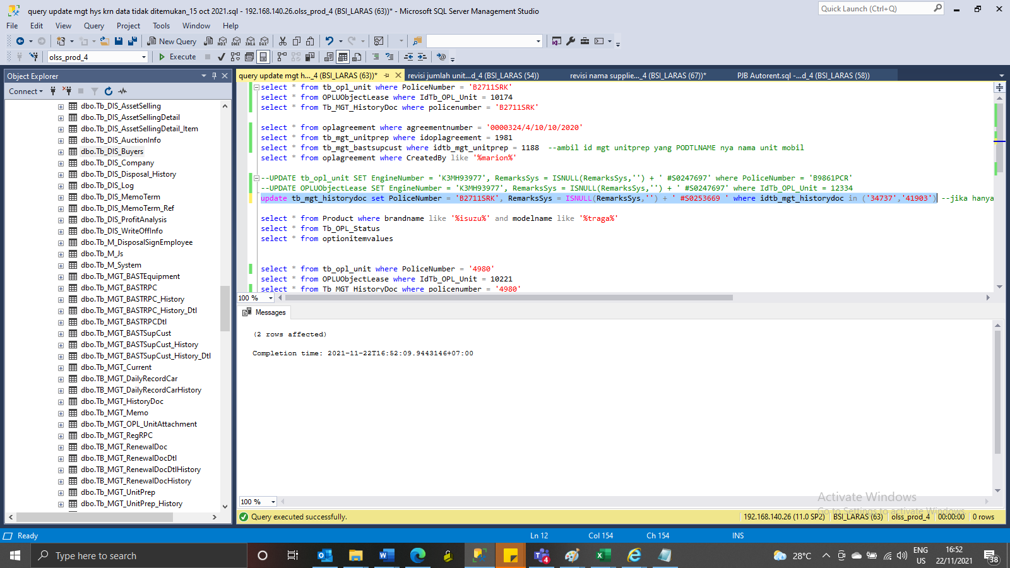
IdTb_OPL_Unit | IdProduct | PoliceNumber | PoliceNumberAct | EngineNumber | ChassisNumber | Colour | IsOPL | IsSTNK | StartSTNK | EndSTNK | StartKEUR | EndKEUR | StartInsurance | EndInsurance | CompanyInsurance | InsuranceNumber | SPPANumber | ProgressStatus | ProgressKeur | IsDelete | RemarksSys | CreatedBy | CreatedDate | LastModifiedBy | LastModifiedDate | ColorPlat
10174 | 1524 | B2711SRK | B2711SRK | 3NRH543785 | MHKA6GK6JLJ604980 | HITAM | 1 | 1 | 2020-10-27 | 2021-10-27 | NULL | NULL | 2020-10-13 | 2023-12-02 | TOKIO MARINE | TMD/AORF/20-A0835268 | NULL | 8 | NULL | 0 | Updated STNK | Pathul Wadi | 2020-10-20 13:12:42 | Junaidi Didy | 2021-03-10 14:51:01 | HITAM

IdUObjLease | IdOPLAgreement | AgreementNumber | IdentityPoliceNumber | EngineNumber | Remarks | Accessories | Carroserrie | IdTb_OPL_Unit | IsDelete | RemarksSys | CreatedBy | CreatedDate | LastModifiedBy | LastModifiedDate
10301 | 1981 | 0000324/4/10/10/2020 | B2711SRK | 3NRH543785 | MHKA6GK6JLJ604980 |  |  | 10174 | 0 | NULL | Pathul Wadi | 2020-10-20 13:12:42 | Junaidi Didy | 2021-03-10 14:51:08

MGT History Kosong

IdOPLAgreement | IdTb_OPL_Status | IdTb_OPL_Employee | IdTb_MKT_SKD | IdTb_OPL_Branch | TaskId | OPLCalculationNumber | OPLQuotationNumber | SKDNo | CustomerCode | AgreementNumberReff | AgreementNumber | AgreementDate | StartPeriodDate | EndPeriodDate | TerminateDate | LeaseCategory | IsInsurance | PurchaseAfterLease | PaymentTransactionType | FDueDateUsage | FDDatePayment | TermOfPayment | DepositPaymentDate | DepositReturnDate | DepositAmount | NumberOfPayments | TotalMonthlyInstallment | TotalUnitQuantity | IssueInvoiceDate | InterestOfPenalty | ProductCode | MaintenanceType | MonthlyMileageContract | RegularMaintenanceMileage | OilExchangeMileage | LubricantsFatMileage | BateryChangeMileage | TireChangeMileage | CSDMaintenance | GeneralFailureMaintenance | STNKRenewal | STNKRenewalDate | KEURRenewal | KEURRenewalDate | BreakDawnContract | BreakDawnRemarks | ReplacementUnit | ReplacementUnitRemarks | MonthlyInstallmentAmount | BASTDate | Remarks | DsfRprName | DsfRprPosition | CustRprName | CustRprPosition | LesseeAddress1 | LesseeAddress2 | LesseeAddress3 | LesseCity | LesseeZipcode | LesseeTelephone | LesseFax | LesseeEmail | LesseUp | LessorAddress1 | LessorAddress2 | LessorAddress3 | LessorCity | LessorZipcode | LessorTelephone | LessorFax | LessorEmail | LessorUp | HandoverLocAddress | HandoverLocCity | HandoverLocZipCode | UnitReturnLocAddress | UnitReturnLocCity | UnitReturnLocZipCode | InsuranceClaimAmount | Usage | IsDelete | RemarksSys | RowVersion | CreatedBy | CreatedDate | LastModifiedBy | LastModifiedDate | SendToStaging | AdditionalReportClause | ReportAttachmentName | ReportAttachmentFile
1981 | 18 | 2013 | 1967 | 11 | 7AB79836-16BE-4930-A568-17FF92334DAD | 00304/OCN/01/10/2020 | 00286/OQN/01/10/2020 | 0000236/4/10/10/2020 | 1022854 | NULL | 0000324/4/10/10/2020 | 2020-10-12 00:00:00 | 2020-10-14 00:00:00 | 2023-10-13 00:00:00 | NULL | 95 | 1 | 0 | 154 | 2020-11-13 00:00:00 | 2020-12-13 00:00:00 | 30 | NULL | NULL | NULL | 36 | 3100000 | 1 | NULL | 0.25 | VEH/00010/V-002/TOYCAL/202001 | 91 | 2500 | NULL | NULL | NULL | NULL | NULL | NULL | 0 | 0 | NULL | 0 | NULL | 1 | NULL | 1 | NULL | 3100000 | 2020-10-13 00:00:00 | OK | IRMA VERDIAN | Head of Department | Karnadi Winaga | Direktur | JL. TAMAN CISADANE NO.99 RT 03 RW 01 PANUNGGANGAN BARAT CIBODAS Kota Tangerang Banten 15139 | NULL | NULL | Jakarta | NULL | 021 55778453 | 021 5518093 | devie.anggaini@sppa.co.id | Devie Anggraini | Sentral Senayan II, Lt.3 | Jl. Asia Afrika No.8 | Jakarta 10270 | Jakarta | NULL | 021 57954100 | 021 57954073 | susah.siahaan@dipostar.com | Ratna Susantri Sihaan | Jl Taman Cisadena No 99 Panunggangan Barat,Cibodas, Tangerang 15139 | Tanggerang | 15139 | Jl Taman Cisadena No 99 Panunggangan Barat,Cibodas, Tangerang 15139 | Tanggerang | 15139 | 400000 | 99 | 0 | NULL | 0x0000000002B09B2A | Nurul.Dianti | 2020-10-15 21:38:58 | Pathul Wadi | 2020-10-20 13:12:42 | 1 | 0 | NULL | NULL

IdTb_MGT_UnitPrep | IdTb_PRO_PODtl | IdBranch | IdOPLAgreement | IdSupplier | IdProduct | IdCustomer | PONumber | PODtlName | Qty | DeliveryPeriod | LeaseCategory | PODate | POApprovalDate | BASTPlanDate | BASTActualDate | BASTTotal | BASTRemaining | BASTStatus | IsDelete | RemarksSys | CreatedBy | CreatedDate | LastModifiedBy | LastModifiedDate
1188 | 1322 | 11 | 1981 | 7068 | 1524 | 40445 | 00036/PO/UNT/JKS/10/2020 | TOYOTAV-002TOYOTA CALYA G A/T | 1 | 30 | 95 | 2020-10-12 00:00:00 | 2020-10-19 11:50:12 | 2020-11-11 | 2020-10-13 | 1 | 0 | 30 | 0 | NULL | Verdian | 2020-10-19 11:50:12 | Pathul Wadi | 2020-10-20 13:09:22

IdTb_MGT_BASTSupCust | IdTb_MGT_UnitPrep | BASTPartial | BASTSPNo | BASTCTNo | Colour | PoliceNumber | ChassisNumber | EngineNumber | KM | IsSTNK | RemarkSTNK | StartSTNK | EndSTNK | IsSTNK2 | RemarkSTNK2 | StartSTNK2 | EndSTNK2 | IsKEUR | StartKEUR | EndKEUR | RemarkKEUR | Remarks | CompanyInsurance | InsuranceNumber | StartInsurance | EndInsurance | DocStatus | IsDelete | RemarksSys | RowVersion | CreatedBy | CreatedDate | LastModifiedBy | LastModifiedDate
3473 | 1188 | 1 | 00002/BSP/JKS/10/2020 | 00002/BCT/JKS/10/2020 | HITAM | 4980 | MHKA6GK6JLJ604980 | 3NRH543785 | 100 | 0 | NULL | NULL | NULL | 1 | NULL | 2020-10-13 | 2020-11-13 | 0 | NULL | NULL | NULL | NULL | TOKIO MARINE | TMD/AORF/20-A | 2020-10-13 | 2023-11-13 | 30 | 0 | NULL | 0x0000000000C3A8BF | Pathul Wadi | 2020-10-20 13:11:15 | Pathul Wadi | 2020-10-20 13:12:42

update tb_mgt_historydoc set PoliceNumber = 'B2711SRK', RemarksSys = ISNULL(RemarksSys,'') + ' #S0253669 ' where idtb_mgt_historydoc in ('34737','41903')

SS
Before
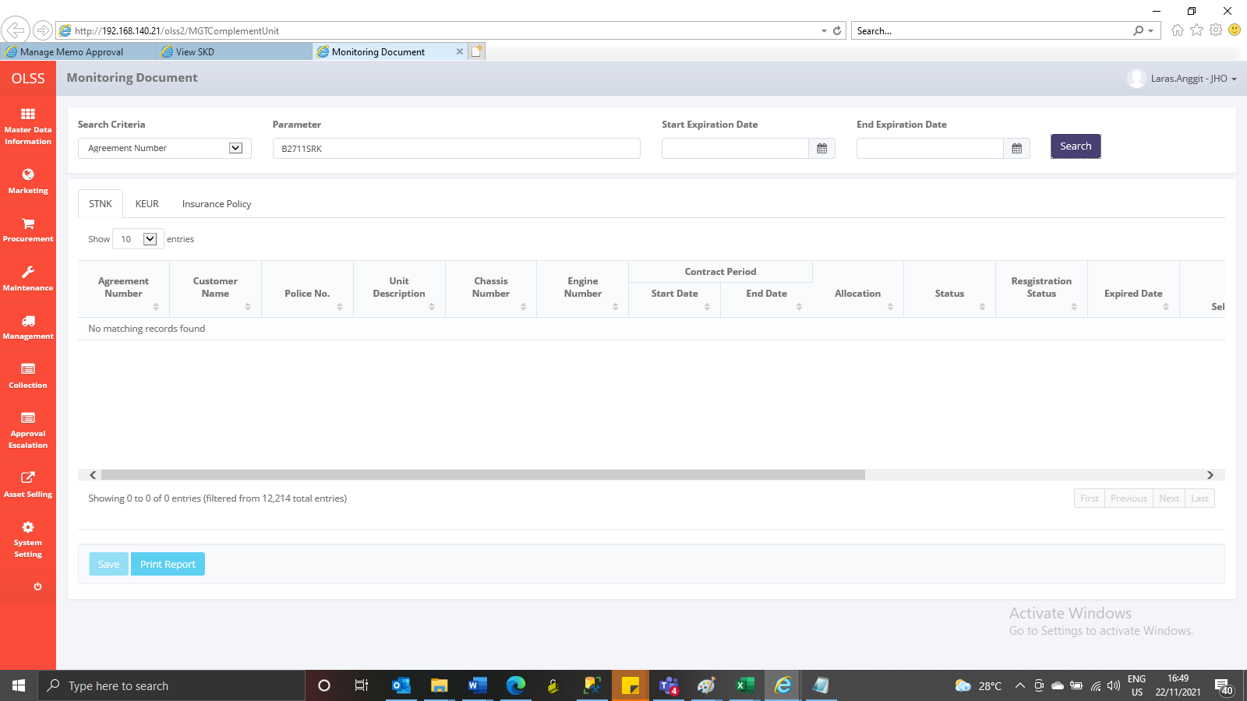

After

